Sheet2
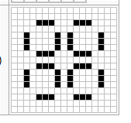

1,000,000

250,000

